Instructions & Tips
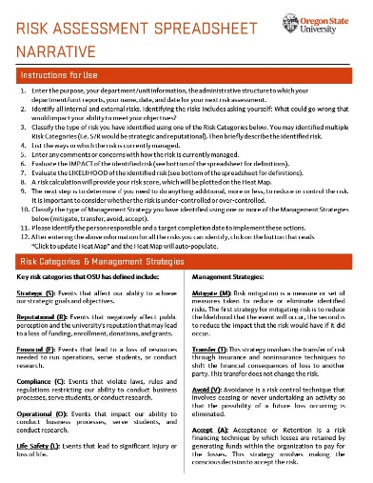

Risk Assessment
Risk Assessment Spreadsheet
Use to identify, assess and take action to address risk
Department/Unit Name:
Administrative Structure:
Completed By:
Click to update Heat Map
Date Completed:
Date of Next Risk Assessment:

What is the objective, goal or business matter you are seeking to achieve?

 |  |  |  |  |  | Risk Calculation |  |  |  |  | Which Management Strategy (mitigate, transfer, avoid, accept) did you identify to control the risk?
What is the risk?* | Identify the Risk Category and briefly describe the identified risk | How is risk currently managed? | Comments/Concerns | Impact | Likelihood | Impact | Likelihood | Risk Score | Who should be involved in the discussion and decision making? | Do you need to do anything else, more or less, to reduce or control the risk? |  | Responsible Person/Job Title | Target Completion Date

Risk 1 |  |  |  | Mild | Low-Medium | 2 | 2 | 4
Risk 2 |  |  |  | Insignificant | Medium-High | 1 | 4 | 4
Risk 3 |  |  |  | Catastrophic | Low-Medium | 5 | 2 | 10
Risk 4 |  |  |  | Mild | High | 2 | 5 | 10
Just Testing | More Test | Slet ikke | No Comments | Moderate | Low-Medium | 3 | 2 | 6 | You | We need more! | Accept - AMOR FATI | DEUS VULT | Now
Risk 6 |  |  |  | Moderate | Low-Medium | 3 | 2 | 6
 |  |  |  |  |  | #N/A | #N/A | #N/A
 |  |  |  |  |  | #N/A | #N/A | #N/A
 |  |  |  |  |  | #N/A | #N/A | #N/A
 |  |  |  |  |  | #N/A | #N/A | #N/A
 |  |  |  |  |  | #N/A | #N/A | #N/A
 |  |  |  |  |  | #N/A | #N/A | #N/A
 |  |  |  |  |  | #N/A | #N/A | #N/A
 |  |  |  |  |  | #N/A | #N/A | #N/A
 |  |  |  |  |  | #N/A | #N/A | #N/A
 |  |  |  |  |  | #N/A | #N/A | #N/A
 |  |  |  |  |  | #N/A | #N/A | #N/A
 |  |  |  |  |  | #N/A | #N/A | #N/A
 |  |  |  |  |  | #N/A | #N/A | #N/A
 |  |  |  |  |  | #N/A | #N/A | #N/A

Click for DFA Risk Appetite Statements
Risk Assessment Scoring Tool
IMPACT |  | LIKELIHOOD
(1) Insignificant-- Insignificant impact on operations, reputation, or financial condition; no safety or health hazards present. |  | (1) Low-- Nearly unlikely to happen in the near future and no immediate action is needed.
(2) Mild-- Minimal impact on operations, reputation, or financial condition; minimal safety or health hazards present. |  | (2) Low-Medium-- Moderately unlikely to happen in the near future and minimal action is needed.
(3) Moderate-- Could delay operations, effect short term programs, require moderate management effort, may draw publicity, minor to moderate safety or health hazards present. |  | (3) Medium-- Likely to occur and actions should be taken to reduce or control the risk.
(4) Significant-- Significant effect on long-term programs, could result in major property damage, significant financial loss, negative publicity, or cause severe injury. |  | (4) Medium-High-- More than likely to occur and management or organizers should begin to mitigate.
(5) Catastrophic-- Long-term and serious effect on ability to continue operations, recruit students, staff or faculty, financial support; material breach of confidence and reputation; may result in severe injury and/or death. |  | (5) High-- High probability the risk will occur; immediate action plans required.

*Risk is defined as the effect of uncertainty on objectives Example: Employee retention within a department

Heat Map
Risk Assessment Heat Map
 | Likelihood
2 | 2
1 | 4
5 | 2
2 | 5
3 | 2
3 | 2
#N/A | #N/A
#N/A | #N/A
#N/A | #N/A
#N/A | #N/A
#N/A | #N/A
#N/A | #N/A
#N/A | #N/A
#N/A | #N/A
#N/A | #N/A
#N/A | #N/A
#N/A | #N/A
#N/A | #N/A
#N/A | #N/A
#N/A | #N/A

